Dishy Soap
DATE | DESCRIPTION | QTY | BILLS | PRICE | SUBTOTAL | TOTAL | Rp810,000.00
8-Mar-2026 | DISHY 5 L DISHWASHING | 10 | 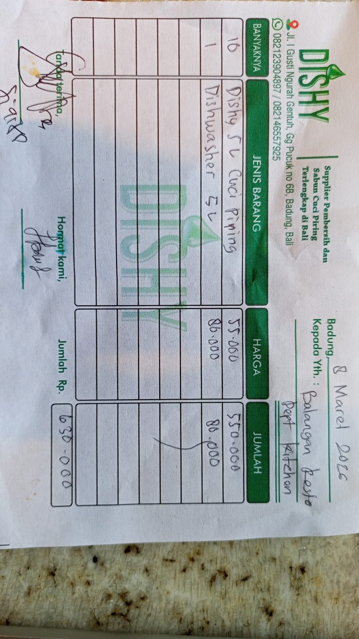 | Rp55,000.00 | Rp550,000.00 | Rp630,000.00
 | DISHY DEGREASER 5 L | 1 |  | Rp80,000.00 | Rp80,000.00
28-Mar-2026 | DISHY 5L HANDWASH | 3 | 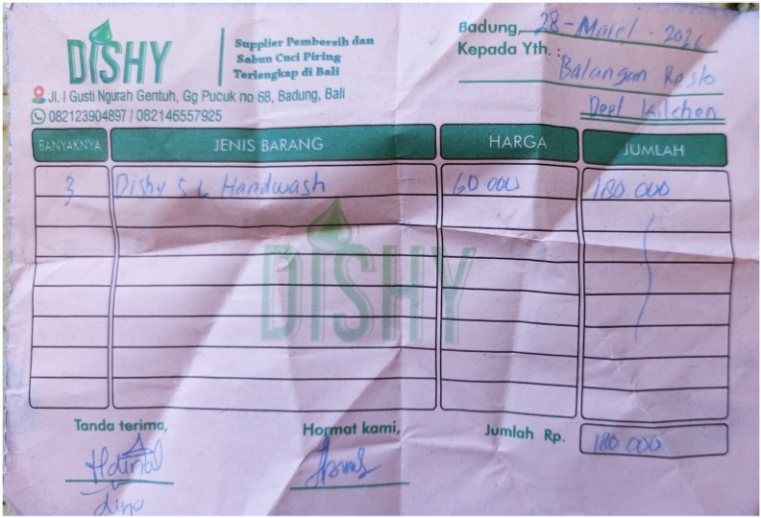 | Rp60,000.00 | Rp180,000.00 | Rp180,000.00
 |  |  |  |  | Rp0.00
 |  |  |  |  | Rp0.00
GRAND TOTAL |  |  |  | Rp810,000.00

